North Sails

Photo | Article | Description | Gender | XS | S | M | L | XL | XXL | Qty | Wholesale price | Retail price | Made in | Comp
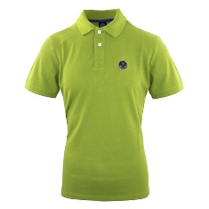 | 9023370453 | POLO S/S - LIME GREEN | M |  | 55 | 55 | 50 | 50 |  | 210 | 29.00 € | 70.00 € | BD | 100CO
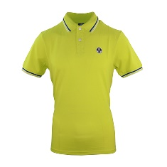 | 9023380470 | POLO S/S - SULPHUR SPRING | M |  | 13 | 38 | 8 | 24 | 3 | 86 | 29.00 € | 70.00 € | BD | 100CO
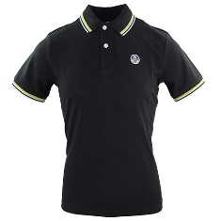 | 9023380999 | POLO S/S - BLACK | M |  | 6 | 6 | 8 | 13 | 17 | 50 | 29.00 € | 70.00 € | BD | 100CO
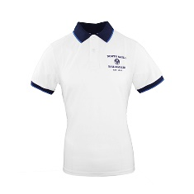 | 9023390101 | POLO S/S W/GRAPHIC - WHITE | M |  | 34 | 56 | 17 |  |  | 107 | 29.00 € | 70.00 € | BD | 100CO
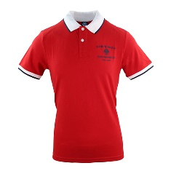 | 9023390230 | POLO S/S W/GRAPHIC - RED | M |  |  | 56 | 34 | 51 | 11 | 152 | 29.00 € | 70.00 € | BD | 100CO
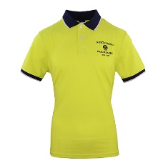 | 9023390470 | POLO S/S W/GRAPHIC - SULPHUR SPRING | M |  | 33 | 85 | 55 | 80 | 23 | 276 | 29.00 € | 70.00 € | BD | 100CO
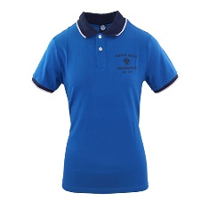 | 9023390760 | POLO S/S W/GRAPHIC - ROYAL | M |  |  |  |  | 33 |  | 33 | 29.00 € | 70.00 € | BD | 100CO
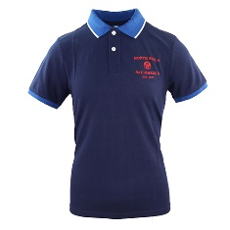 | 9023390800 | POLO S/S W/GRAPHIC - NAVY | M |  | 35 | 69 | 38 | 101 | 16 | 259 | 29.00 € | 70.00 € | BD | 100CO
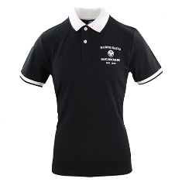 | 9023390999 | POLO S/S W/GRAPHIC - BLACK | M |  | 4 | 29 |  |  |  | 33 | 29.00 € | 70.00 € | BD | 100CO
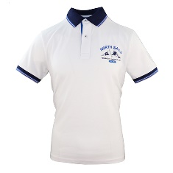 | 9023400101 | POLO S/S W/GRAPHIC - WHITE | M |  | 60 | 101 | 35 | 90 | 10 | 296 | 29.00 € | 70.00 € | BD | 100CO
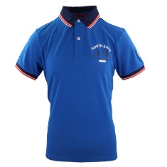 | 9023400760 | POLO S/S W/GRAPHIC - ROYAL | M |  |  | 34 | 7 |  |  | 41 | 29.00 € | 70.00 € | BD | 100CO
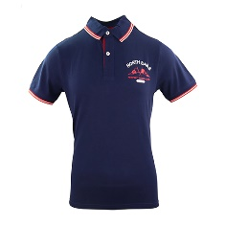 | 9023400800 | POLO S/S W/GRAPHIC - NAVY | M |  | 45 | 81 | 33 | 50 |  | 209 | 29.00 € | 70.00 € | BD | 100CO
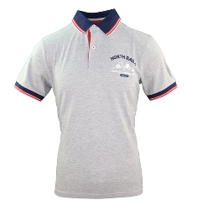 | 9023400926 | POLO S/S W/GRAPHIC - GREY MELANGE | M |  | 37 | 65 | 26 | 51 |  | 179 | 29.00 € | 70.00 € | BD | 100CO
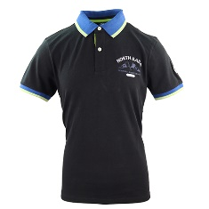 | 9023400999 | POLO S/S W/GRAPHIC - BLACK | M |  | 48 | 84 | 54 | 67 | 16 | 269 | 29.00 € | 70.00 € | BD | 100CO
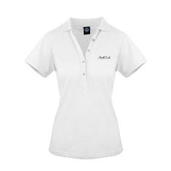 | 9023510101 | POLO S/S - WHITE | W | 44 | 97 | 83 | 77 | 42 |  | 343 | 29.00 € | 70.00 € | BD | 100CO
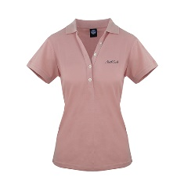 | 9023510150 | POLO S/S - SILVER PINK | W | 17 | 35 | 33 | 29 |  |  | 114 | 29.00 € | 70.00 € | BD | 100CO
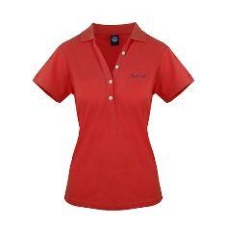 | 9023510230 | POLO S/S - RED | W | 31 | 41 | 17 | 30 | 17 |  | 136 | 29.00 € | 70.00 € | BD | 100CO
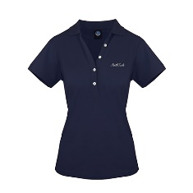 | 9023510800 | POLO S/S - NAVY | W | 48 | 103 | 90 | 75 | 35 |  | 351 | 29.00 € | 70.00 € | BD | 100CO
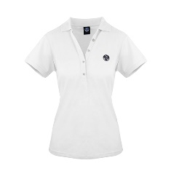 | 9023520101 | POLO S/S - WHITE | W | 25 | 27 | 2 | 40 | 17 |  | 111 | 29.00 € | 70.00 € | BD | 100CO
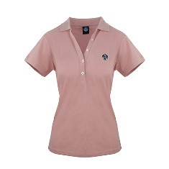 | 9023520150 | POLO S/S - SILVER PINK | W | 4 | 8 | 0 | 9 | 7 |  | 28 | 29.00 € | 70.00 € | BD | 100CO
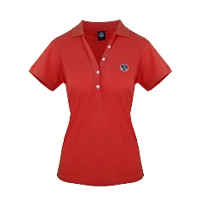 | 9023520230 | POLO S/S - RED | W |  | 25 | 17 | 60 |  |  | 102 | 29.00 € | 70.00 € | BD | 100CO
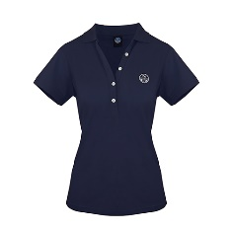 | 9023520800 | POLO S/S - NAVY | W | 28 | 39 | 34 | 38 | 14 |  | 153 | 29.00 € | 70.00 € | BD | 100CO
 |  | Tot. Polo |  |  |  |  |  |  |  | 3538

Photo | Article | Description | Gender | XS | S | M | L | XL | XXL | Qty | Wholesale price | Retail price | Made in | Comp
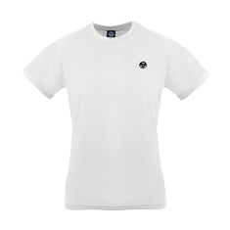 | 9023410101 | T SHIRT - WHITE | M |  |  |  |  | 22 |  | 22 | 18.00 € | 45.00 € | BD | 100CO
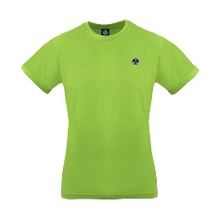 | 9023410453 | T SHIRT - LIME GREEN | M |  | 30 | 80 | 88 | 98 | 26 | 322 | 18.00 € | 45.00 € | BD | 100CO
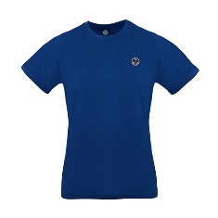 | 9023410790 | T SHIRT - OCEAN BLUE | M |  | 62 | 141 | 47 | 133 | 33 | 416 | 18.00 € | 45.00 € | BD | 100CO
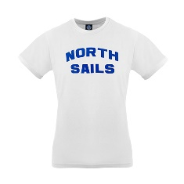 | 9023420101 | T SHIRT S/S GRAPHIC - WHITE | M |  | 8 | 112 | 94 | 125 | 43 | 382 | 18.00 € | 45.00 € | BD | 100CO
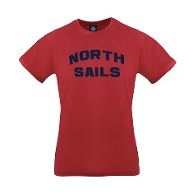 | 9023420230 | T SHIRT S/S GRAPHIC - RED | M |  |  | 16 | 9 |  | 6 | 31 | 18.00 € | 45.00 € | BD | 100CO
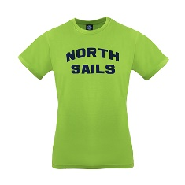 | 9023420453 | T SHIRT S/S GRAPHIC - LIME GREEN | M |  | 95 | 83 | 123 | 132 | 37 | 470 | 18.00 € | 45.00 € | BD | 100CO
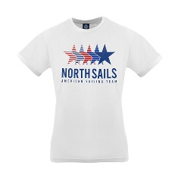 | 9023430101 | T-SHIRT - WHITE | M |  | 55 | 126 | 162 | 120 | 47 | 510 | 18.00 € | 45.00 € | BD | 100CO
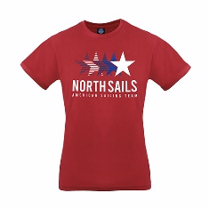 | 9023430230 | T-SHIRT - RED | M |  | 55 | 116 | 120 | 126 | 58 | 475 | 18.00 € | 45.00 € | BD | 100CO
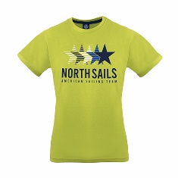 | 9023430470 | T-SHIRT - SULPHUR SPRING | M |  | 71 | 109 | 147 | 144 | 61 | 532 | 18.00 € | 45.00 € | BD | 100CO
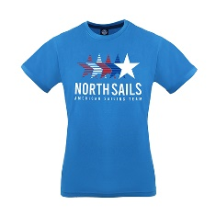 | 9023430765 | T-SHIRT - FRENCH BLUE | M |  | 48 | 122 | 130 | 127 | 51 | 478 | 18.00 € | 45.00 € | BD | 100CO
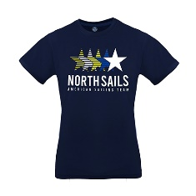 | 9023430800 | T-SHIRT - NAVY | M |  | 57 | 132 | 121 | 130 | 51 | 491 | 18.00 € | 45.00 € | BD | 100CO
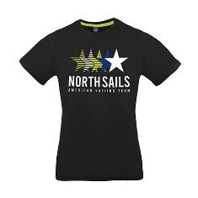 | 9023430999 | T-SHIRT - BLACK | M |  | 68 | 130 | 120 | 128 | 52 | 498 | 18.00 € | 45.00 € | BD | 100CO
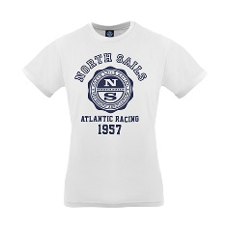 | 9023440101 | T SHIRT S/S GRAPHIC - WHITE | M |  | 16 | 81 | 63 | 80 | 12 | 252 | 18.00 € | 45.00 € | BD | 100CO
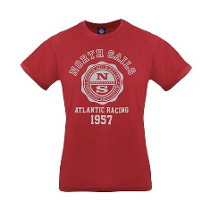 | 9023440230 | T SHIRT S/S GRAPHIC - RED | M |  | 32 | 80 | 78 | 80 | 28 | 298 | 18.00 € | 45.00 € | BD | 100CO
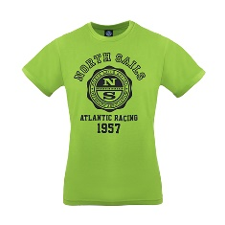 | 9023440453 | T SHIRT S/S GRAPHIC - LIME GREEN | M |  | 61 | 132 | 129 | 137 | 52 | 511 | 18.00 € | 45.00 € | BD | 100CO
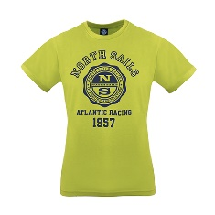 | 9023440470 | T SHIRT S/S GRAPHIC - SULPHUR SPRING | M |  | 70 | 142 | 132 | 138 | 65 | 547 | 18.00 € | 45.00 € | BD | 100CO
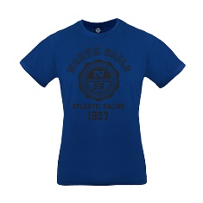 | 9023440790 | T SHIRT S/S GRAPHIC - OCEAN BLUE | M |  | 72 | 160 | 160 | 152 | 58 | 602 | 18.00 € | 45.00 € | BD | 100CO
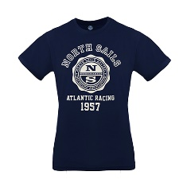 | 9023440800 | T SHIRT S/S GRAPHIC - NAVY | M |  | 19 | 43 | 31 | 30 |  | 123 | 18.00 € | 45.00 € | BD | 100CO
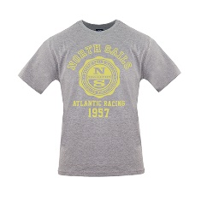 | 9023440926 | T SHIRT S/S GRAPHIC - GREY MELANGE | M |  |  | 41 | 16 | 20 |  | 77 | 18.00 € | 45.00 € | BD | 100CO
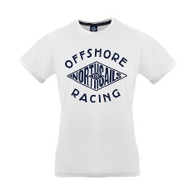 | 9023450101 | T SHIRT S/S GRAPHIC - WHITE | M |  | 119 | 240 | 217 | 240 | 120 | 936 | 18.00 € | 45.00 € | BD | 100CO
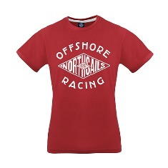 | 9023450230 | T SHIRT S/S GRAPHIC - RED | M |  | 72 | 135 | 124 | 124 | 50 | 505 | 18.00 € | 45.00 € | BD | 100CO
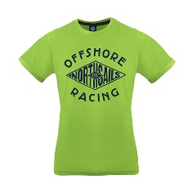 | 9023450453 | T SHIRT S/S GRAPHIC - LIME GREEN | M |  | 78 | 154 | 154 | 150 | 48 | 584 | 18.00 € | 45.00 € | BD | 100CO
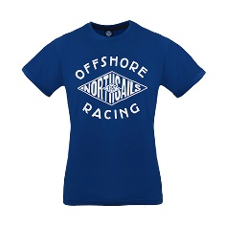 | 9023450790 | T SHIRT S/S GRAPHIC - OCEAN BLUE | M |  | 62 | 74 | 96 | 170 | 50 | 452 | 18.00 € | 45.00 € | BD | 100CO
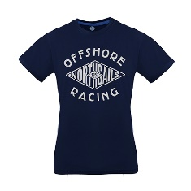 | 9023450800 | T SHIRT S/S GRAPHIC - NAVY | M |  | 114 | 185 | 194 | 208 | 74 | 775 | 18.00 € | 45.00 € | BD | 100CO
 | 9023450926 | T SHIRT S/S GRAPHIC - GREY MELANGE | M |  | 62 | 126 | 129 | 124 | 60 | 501 | 18.00 € | 45.00 € | BD | 100CO
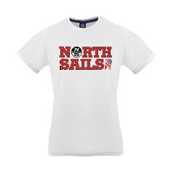 | 9023460101 | T SHIRT S/S GRAPHIC - WHITE | M |  |  |  | 28 | 25 |  | 53 | 18.00 € | 45.00 € | BD | 100CO
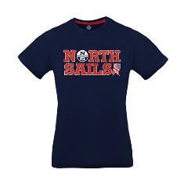 | 9023460800 | T SHIRT S/S GRAPHIC - NAVY | M |  |  | 40 | 26 | 44 |  | 110 | 18.00 € | 45.00 € | BD | 100CO
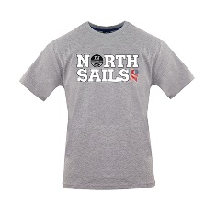 | 9023460926 | T SHIRT S/S GRAPHIC - GREY MELANGE | M |  | 40 | 90 | 80 | 93 | 41 | 344 | 18.00 € | 45.00 € | BD | 100CO
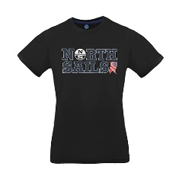 | 9023460999 | T SHIRT S/S GRAPHIC - BLACK | M |  | 40 | 156 | 178 | 103 | 41 | 518 | 18.00 € | 45.00 € | BD | 100CO
 | 9023470230 | T SHIRT S/S GRAPHIC - RED | M |  |  |  | 22 |  |  | 22 | 18.00 € | 45.00 € | BD | 100CO
 | 9023470453 | T SHIRT S/S GRAPHIC - LIME GREEN | M |  |  | 20 | 24 | 40 |  | 84 | 18.00 € | 45.00 € | BD | 100CO
 | 9023470470 | T SHIRT S/S GRAPHIC - SULPHUR SPRING | M |  | 12 | 63 | 51 | 80 | 16 | 222 | 18.00 € | 45.00 € | BD | 100CO
 | 9023470790 | T SHIRT S/S GRAPHIC - OCEAN BLUE | M |  |  |  |  |  | 23 | 23 | 18.00 € | 45.00 € | BD | 100CO
 | 9023480101 | T SHIRT S/S GRAPHIC - WHITE | M |  | 98 | 190 | 172 | 192 | 92 | 744 | 18.00 € | 45.00 € | BD | 100CO
 | 9023480230 | T SHIRT S/S GRAPHIC - RED | M |  | 76 | 155 | 139 | 155 | 66 | 591 | 18.00 € | 45.00 € | BD | 100CO
 | 9023480450 | T SHIRT S/S GRAPHIC - COVERT GREEN | M |  | 75 | 151 | 138 | 120 | 69 | 553 | 18.00 € | 45.00 € | BD | 100CO
 | 9023480790 | T SHIRT S/S GRAPHIC - OCEAN BLUE | M |  | 80 | 157 | 120 | 154 | 74 | 585 | 18.00 € | 45.00 € | BD | 100CO
 | 9023480800 | T SHIRT S/S GRAPHIC - NAVY | M |  | 73 | 131 | 129 | 140 | 50 | 523 | 18.00 € | 45.00 € | BD | 100CO
 | 9023480926 | T SHIRT S/S GRAPHIC - GREY MELANGE | M |  | 58 | 108 | 103 | 80 | 47 | 396 | 18.00 € | 45.00 € | BD | 100CO
 | 9023490101 | T SHIRT S/S GRAPHIC - WHITE | M |  | 108 | 140 | 167 | 181 | 86 | 682 | 18.00 € | 45.00 € | BD | 100CO
 | 9023490790 | T SHIRT S/S GRAPHIC - OCEAN BLUE | M |  | 154 | 306 | 295 | 307 | 133 | 1195 | 18.00 € | 45.00 € | BD | 100CO
 | 9023490926 | T SHIRT S/S GRAPHIC - GREY MELANGE | M |  | 132 | 263 | 227 | 225 | 131 | 978 | 18.00 € | 45.00 € | BD | 100CO
 | 9023500101 | T SHIRT S/S GRAPHIC - WHITE | M |  | 40 | 132 | 110 | 120 | 18 | 420 | 18.00 € | 45.00 € | BD | 100CO
 | 9023500800 | T SHIRT S/S GRAPHIC - NAVY | M |  | 61 | 110 | 82 | 80 | 3 | 336 | 18.00 € | 45.00 € | BD | 100CO
 | 9023530101 | T SHIRT S/S W/LOGO - WHITE | W | 59 | 125 | 174 | 63 |  |  | 421 | 18.00 € | 45.00 € | BD | 100CO
 | 9023530150 | T SHIRT S/S W/LOGO - SILVER PINK | W | 35 | 59 | 34 | 77 | 35 |  | 240 | 18.00 € | 45.00 € | BD | 100CO
 | 9023530230 | T SHIRT S/S W/LOGO - RED | W | 12 | 16 | 34 | 27 | 2 |  | 91 | 18.00 € | 45.00 € | BD | 100CO
 | 9023530760 | T SHIRT S/S W/LOGO - ROYAL | W | 31 | 69 | 30 | 118 | 43 |  | 291 | 18.00 € | 45.00 € | BD | 100CO
 | 9023530800 | T SHIRT S/S W/LOGO - NAVY | W | 79 | 157 | 131 | 189 | 81 |  | 637 | 18.00 € | 45.00 € | BD | 100CO
 | 9023540101 | T SHIRT S/S W/LOGO - WHITE | W | 37 | 81 | 71 | 110 | 55 |  | 354 | 18.00 € | 45.00 € | BD | 100CO
 | 9023540230 | T SHIRT S/S W/LOGO - RED | W | 29 | 12 |  | 26 | 13 |  | 80 | 18.00 € | 45.00 € | BD | 100CO
 | 9023540760 | T SHIRT S/S W/LOGO - ROYAL | W | 32 | 50 | 20 | 63 | 30 |  | 195 | 18.00 € | 45.00 € | BD | 100CO
 | 9023540800 | T SHIRT S/S W/LOGO - NAVY | W | 33 | 74 | 53 | 69 | 46 |  | 275 | 18.00 € | 45.00 € | BD | 100CO
 | 9023550101 | T SHIRT S/S W/LOGO - WHITE | W | 56 | 114 | 94 | 154 | 53 |  | 471 | 18.00 € | 45.00 € | BD | 100CO
 | 9023550150 | T SHIRT S/S W/LOGO - SILVER PINK | W | 8 | 32 | 41 | 40 |  |  | 121 | 18.00 € | 45.00 € | BD | 100CO
 | 9023550230 | T SHIRT S/S W/LOGO - RED | W | 19 | 33 | 28 | 40 | 16 |  | 136 | 18.00 € | 45.00 € | BD | 100CO
 | 9023550760 | T SHIRT S/S W/LOGO - ROYAL | W | 40 | 60 | 67 | 81 | 40 |  | 288 | 18.00 € | 45.00 € | BD | 100CO
 | 9023550800 | T SHIRT S/S W/LOGO - NAVY | W | 68 | 148 | 111 | 131 | 47 |  | 505 | 18.00 € | 45.00 € | BD | 100CO
 | 9023560101 | T SHIRT S/S W/LOGO - WHITE | W | 57 | 117 | 124 | 152 | 45 |  | 495 | 18.00 € | 45.00 € | BD | 100CO
 | 9023560150 | T SHIRT S/S W/LOGO - SILVER PINK | W | 14 | 33 | 18 | 40 | 13 |  | 118 | 18.00 € | 45.00 € | BD | 100CO
 | 9023560800 | T SHIRT S/S W/LOGO - NAVY | W | 71 | 142 | 137 | 149 | 57 |  | 556 | 18.00 € | 45.00 € | BD | 100CO
 |  | Tot. T-SHIRT |  |  |  |  |  |  |  | 24443

